Integration Management
Project managers primary role is integration management; to ensure coordination between all other processes) |  |  | Back to main page

Considerations behind tailoring Project Integration Management processes | Project Life Cycle (Determine the pases)
 | Developing life cycle type (Predictive/Adaptive)
 | Maanagement Method (by considering organizational culture and size of project)
 | Knowledge
 | Change Management
 | Administrative needs (Preparing Executive reports and how often we should prepare those reports)
 | Lessons learned
 | Benefits reports
Develop Project Management Plan
Detailed Plans which integrates all other proceses, Iterative process
Initiating process: Developing Project Charter

Planning process: Developing Project Management Plan
Components of project management plan | Knowledge Areas | Subsidiary Management Plan
Project Life cycle (Plan driven/Change driven life cycle) | Integration Management | Change Management Plan + Configuaration Management Plan
Development Approach (Iterative/Agile/predictive/Hybrid model) | Scope Management | Scope Management Plan + Requirement Management Plan
Management reviews (How often) | Schedule Management | Schedule Management Plan
Performance Measurement Baseline (Given In Order) - Scope Baseline - Project Scope Statement - Work breakdown structure (WBS) - WBS dictionary - Schedule Baseline - Cost Baseline | Cost Management | Cost Management Plan
 | Quality Management | Quality Management Plan
 | Resource Management | Resource Management Plan
 | Communications Management | Communications Management Plan
 | Risk Management | Risk Management Plan
 | Procurement Management | Procurement Management Plan
 | Stakeholder Management | Stakeholder Management Plan

Change Management Plan - Explains how to deal with changes - Defines Change Control Procedures - If there are changes we have to do Change control | Template (Change Mangement) | Change Control System - Softwares, Reports, forms and procedures - Part of PMIS and Enterprise environmental factors
Configuaration Management Plan - Plans for tracking the change requests for a document and finding out the most recent version - Can be done by introducing a labeling system/naming convension |  | Configuaration Management system -Part of PMIS - Uses organizational tools, processes and procedures

ITTOs of Developing a Project Management Plan

Output | Project Management Plan
Input | Project Charter
 | Outputs of Other Knowledge area processes
 | Organizational Process Assets
 | Enterprise Environmental Factors

Tools and Techniques | Expert Judgement
 | Data Gathering Techniques
 | Interpersonal and Team Skills - Conflict Management - Facilitation - Meeting Management
 | Regular and Kick off Meetings (Key Parties in the meeting)

Important Notes

Project management plan should be formally approved by all the stakeholders In a kickoff meeting
Project management plan is not the sole source needed to manage the project. Project documents are also needed.
But project documents are not included in the project management plan
Some Project documents: Issue log, Project Schedule, Cost estimates, Assumption log, Quality report etc.
Project documents are not approved by the sponsor
Project documents are usually created by project managers with the help of a project team

Executing process: Direct and Manage Project Work
Manage and perform work as per project management plan - Manage the people Managing activities: Dealing with problems, trying to do the work economically, keeping stakeholders engaged - Hold and facilitate meetings (to better manage people and ensure coordination between stakeholders - Create deliverables (Anything that is created after the planning efforts) - Work performance data is collected - Issue log is created - Change Requests are created - Updates on Project management plan, project documents and organizational process assets are applied | Issue Log Template

ITTOs of Direct and Manage Project Work

Outputs | Deliverables
 | Work Performance Data
 | Issue Log
 | Change Requests
 | Project management plan updates
 | Project Document updates
 | Organizational Project Assets updates
Inputs | Project management plan
 | Project Document
 | Organizational Project Assets
 | Approved Change Requests
 | Enterprise environment factors
Tools and Techniques (What do we Use) | PMIS
 | Meetings
 | Expert Judgement

Existing systems and company culture
Important Notes
Work Flow so far
 | Develop Project Charter | Develop Project Management Plan | Direct and Manage Project Work

Business Documents >>>>>> | Project Charter | Project management plan | Project Work
Historical Information, Processes, Procedures

Prepared By Sponsor | Prepared and Approved by sponsor (PM may help) | Prepared by PM and project team' approved by important parties

Executing process: Manage Project Knowledge
Deals with storing and sharing of historical knowledge
Project manager is responsible for managing the project knowledge (Both Information and knowledge management)
Stakeholders should be encouraged to interchange the knowledge
Stakeholders should not fear while providing knowledge they learned from mistakes

Two types of knowledge
Explicit Knowledge | Tacit Knowledge
Based on or concerned with true events and experiences | Feelings, emotions and abilities
Easy to express with words and/or numbers | Not easy
If you are managing explicit knowledge then you are doing information management | If you are managing Tacit knowledge then you are doing Knowledge management

Tools: Sofware/online applications, discussion forums, meetings, work shadowing, Activity observation

ITTOs of Manage Project Knowledge
Outputs | Lessions learned register
 | Organizational process assets revisions
Inputs | Project Management Plan | Project Documents
 | Lessions learned register
 | Project team assignments
 | Resource Breakdown structure
 | Stakeholder Register
 | Deliverables
 | Enterprise environmental factors
 | Organizational process assets
Tools and Techniques | Expert judgement
 | Information and Knowledge management
 | Interpersonal and team skills (Active listening, Facilitation, Leadership, Networking, Political awareness)

Important Notes

Monitoring and Controlling Process: Monitor and Control Project Work
Compares actual values against planned values

Monitoring and Controlling Process: Perform Integrated Change Control

Change Management Plan |  | Approved? | Updateing and replanning | Change request is only for the approved project
Want to make a change in a project?? | Place a change request | It will be evaluated by the change control board
 |  | Not Approved | Don't apply the change | Document in the change log
Responsibilities of CCB - Impacts of change on other aspects needs to be evaluated
Schedule | Customer Satisfaction
Quality | Risks
Scope | Resource Motivation

How to deal with changes
Changes in
 | Project management plan
 | Project documents
 | Project Charter
 | Baselines
 | Company policies and procedures
 | Contracts
 | Statement of work
If affects those documents |  | If it doesn't affect those documents
Approval of CCB/Sponsor is required |  | Approval of Project Manager is enough
 | Change management plan
**If it is written in the change management plan that no matter whether it affects the documents or not you need approval of CCB/Sponsor you need to follow that

Dealing with changes procedure
Prevent the root causes of change
Still some problems can occur
point out works that need change request
investigate the impact of the change (KA based)
Create change request
Investigate impact on project
Determine the options | Approve change | Change Log Update | Update and replan | Communication/Configuaration management | Manage the revised project
 | Reject Change
 | Postpone Change

ITTOs of Perform Integrated Change Control
Outputs | Approved Change requests
 | Project Management plan updates
 | Project Revisions
 | Change log revisions
Inputs | Change Requests
 | Change Management Plan | Project Management Plan
 | Configuaration Management Plan
 | Project Performance Measurement Baselines (Scope, Cost and Schedule Baselines)
 | Project Documents - Basis of estimates - Requirements traceability Matrix - Risk report | ↓↑
 | Work Performance Report
 | Enterprise environmental factors
 | Organizational process assets
Tools and Techniques | Expert Judgement
 | Change Control tools (Softwares that support both change and configuaration management
 | Data Analysis - Cost-benefit analysis - Alternative Analysis
 | Decision making (Voting, Autocracy, Multicriteria decision analysis
 | Meeting

Important Notes
Project Manager is responsible for this process
Changes may happen verbally but it needs to be documented
Happens from initiating to closing
By doing proper risk management these changes can be reduced

Monitoring and Controlling Process: Close Project

A project can close either by
Completing | Terminating
Close the project/phase
before closing the project ask yourself
Requirement of the project are met?
Project management processes related to the project are met?
All of the contracts are closed? (with sellers and subcontractors)
Accecptance criteria met?

Final Customer Satisfaction -Customer may not be satisfied even after meeting all. So find out way of resolution | Gather and share final lession learned -Share it with organizations for future projects | Update Project Records | Make Final Payments | Create and Issue final Performance Report
↕ | ↓ | ↓ | ↓
Resolution | Update Processes, Procedures, Templates, Other Docs | Achieve Project Records | Finalize Cost Reports
↓
Customer satisfaction evaluation

Transfer the products of the project
Examine the Achievements of the Project
Complete the closing process

ITTOs of Closing the Project
Outputs | Final Report/Final performance report
 | Project document revisions (Including lessions learned register)
 | Organizational project assets revision
 | Handing of the final product/service
Inputs | Project charter
 | Project management plan
 | All project documents (Assumption log, Basis of estimates, change log, issue log, lessions learned register, Milestone list, Project communications, Quality control measurements, Quality reports, Requirements documentation, Risk register, Risk report)
 | Accepted deliverables and agreements
 | Business documents (Business case, Benefits management plan) | Benefits Management Plan -Business document -created before project is chartered Reviewed and updated during PLC -Project Sponsor is responsible for Benefits Management Plan
 | Procurement documentations
 | Organizational process assets (Closure guidelines, Configuaration management knowledge base)
Tools and Techniques | Expert Judgement
 | Data Analysis (Document Analysis, Regression Analysis, Trend Analysis, Variance Analysis
 | Meetings

Agile considerations in the integration project management area

Team Members | Project Manager
Local domain members | Responsible for big picture by showing - Leadership - Collaborative environment
control of detailed planning of the project | Servant leader - Not a manager leading from outside, rather a team member having leadership
Decides integration of the plan
They are generalists

Scope Management
Scope | The work that we will do in the project |  |  | Back to main page

2 major Rules of Scope management | Do not do less than written in the scope | Scopes can be updated
 | Do not do more than written in the scope/gold plating

Types of scope | Product Scope | Features and functions - Part of project scope
 | Project Scope | Includes Project work & Product scope

Scope Management: Planning Scope

In this process, we create plans to manage and control scope not the scope itself. This is also an iterative process. You may not have the project management plan/quality management plan in the first day which is an essential input for the process but it will affect Scope management plan and Requirements management plan after the creation
Two plans are created | Scope management plan | Major Output of the process - Decribe how to plan, execute and control Project Scope - Complete the project within desired scope - Create a detailed Project Scope Statement - Approve scope baseline - Produce how to create the WBS, not the WBS
 | Requirements Management Plan | It is a component of Project Management Plan Includes information about indentifying, analyzing, documenting and managing the requirements

ITTOS of Planning Scope

Outputs | Scope management plan
 | Requirements Management Plan
Inputs | Project charter
 | Quality Management Plan (What materials we will use (High quality/Low quality)) | Project Management Plan
 | Project life cycle description
 | Development Approach (e.g.: Waterfall/Iterative
 | Enterprise environment factors
 | Organizational process assets
 | Lessons learned register/Historical data from previous projects
Tools and Techniques | Expert Judgement
 | Meetings
 | Alternatives Analysis/Data Analysis

Scope Management: Collecting Requirements

determine the detailed requirements from all the stakeholders (Quality requirements/Requirements due to law,PMO requirements, Other organizational requirements )
Document and manage requirements

What requirements shouldn't be considered? | That are not aligned with the project objectives/business case written

ITTOS of Collecting requirements

Outputs | Requirements Document | All requirements should be clear and measurable Requirements needs to hava an acceptance criterion (How they will be validated) Verification is not done here
 | Requirements Traceability Matrix | Tracking requirements and linking them to objectives
Inputs | Project charter
 | Requirements Management Plan | Project Management Plan
 | Scope Management Plan
 | Stakeholder Enagagement Plan
 | Assumption log | Project Documents
 | Stakeholder register
 | Lessons learned register/Historical data from previous projects
 | Business Case
 | Agreements
 | Enterprise Environmental factors
 | Organozational Project assets
Tools and Techniques | Expert Judgement
 | Meetings
 | Document Analysis/Data Analysis
 | Data Gathering (Brainstorming, Interviews/Expert interviews, Focus groups, Questionnaires and Surveys, Benchmarking
 | Decision Making (Voting, Multicriteria Decision Analysis, Autocrating decision making | 3 ways of evaluating votes - Unanimity - Majority - Plurality
 | Data representation - Affinity diagram - Mind Mapping
 | Interpersonal and team skills - Nominal Group skills (Similar to brainstorming just with prioritized ideas) - Observation and conservations - Facilitated Workshops (Used for User stories, Joint application design/development (Software projects), Quality function deployment (Manufacturing Industry)
 | Context Diagram
 | Prototype

Scope Management: Defining scope
Detailed description of the deliverables/Scope and also determine the | Boundaries | Project Scope Statement
 | Assumptions
 | Acceptance criteria
 | Constraints

Required documents for project scope statement | Lessions Learned
 | Project Charter
 | Risk register

 | Project Scope Statement
Scope baseline | WBS Dictionary
 | WBS

ITTOS of Defining Scope

Outputs | Project Scope Statement
 | Revisions in Project documents - Requirements documentation - Requirements Traceability Matric - Assumption log - Stakeholder Register
Inputs | Project charter
 | Scope Management Plan
 | Assumption log
 | Assumption log | Project Documents
 | Requirements documentation
 | Risks Register
 | Lessons learned register/Historical data from previous projects
 | Enterprise Environmental factors
 | Organozational Project assets
Tools and Techniques | Expert Judgement
 | Alternative Analysis/Data Analysis
 | Multicriteria decision Analysis (Decision Making Analysis)
 | Facilitation (Interpersonal and team skills )
 | Product Analysis -Value engeneering, systems analysis, Product breakdown, requirements analysis
 | Data representation - Affinity diagram - Mind Mapping
 | Context Diagram
 | Prototype

Scope Management: Creating WBS

Dividing the project into smaller managable groups and sub-groups to easily handle work-packages
We divide the work until - We can finish the work fast and easily - We can subcontract the work easily - We can make the realistic cost, schedule and scope estimation easily
A work package consists of activities
WBS numbering is helpful for finding the location of a work package in the WBS

Advantages | Better communication between stakeholders
 | Better understanding of works
 | Need for resources, cost and duration is checked
 | High quality work
 | Helps to see the big picture
 | Provides facilitation
 | Helps determining the risks
 | Decreases the number of changes
 | Project will be managed easily

Use of WBS | Determining and sequencing the activities
 | Creating the network diagram
 | Determining resources
 | Preparing and controlling schedule
 | Preparing and controlling budget
 | Identifying and managing the risks
 | Managing Quality
 | Conducting Procurements
 | Evaluating the change requests
 | Preventing the scope creep (Uncontrolled growth of the scope of the project)
 | Providing communications

Why do we use WBS dictionary | To prevent scope creep
 | It is a iterative process so we will not have everything together
 | Authorizing works (As a part of Work authorization system)

Scope baseline | WBS
 | WBS dictionary
 | Project Scope Statement

ITTOS of Creating WBS

Outputs | WBS | Scope Baseline
 | WBS dictionary
 | Revisions in - Requirements Documentation - Assumption Log | Project Documents
Inputs | Scope Management Plan | Project Management Plan
 | Project Scope Statement
 | Enterprise Environmental factors
 | Organizational Project assets
Tools and Techniques | Expert Judgement
 | Decomposition

Important Notes
All projects regardless of their size should have WBS
WBS creation has positive effects on on the project
All of the deliverables are defined at WBS
Dependencies of the activities, tasks or the work packages are not defined in WBS

Scope Management: Validating Scope
Minimizing Mistake
Big Picture
 | Scope Management Plan
 | ↓
 | Requirements are defined
 | ↓
 | Project Scope statement is created | Scope Baseline
 | ↓
 | WBS and WBS dictionary are created
 | ↓
Approved
 | Project management plan is approved
 | ↓
 | Deliverables are produced | Controlling Scope
 | ↓
Not Verified?
Initiiate change req.
Integrated
Change
Control
 | Quality Control (Internally verified deliverables)
 | ↓
 | Validate Scope (External/Customer)
 | ↓
 | Project work is completed
 | ↓
 | Final Acceptance of the product

Purpose of Validating Scope | Obtaining interim validation from customer/sponsor
 | Planned meetings are held for formal validation
 | QC procedures should be performed internally before sending the deliverable for validation. This process is known as verified deliverables.
 | If the deliverable cannot pass the QC review, change request is created
 | Work performance information is produced

ITTOS of Validating Scope

Outputs | Accepted Deliverables
 | Change requests
 | Work Performance Information
 | Revisions in - Requirements Documentation - Requirements Traceability Matrix - Lessons Learned register | Project Documents
Inputs | Scope Management Plan | Project Management Plan
 | Requirements Management Plan
 | Scope baseline
 | Requirements documentation | Project Documents
 | Requirements Traceability Matrix
 | Lessons learned register
 | Verified Deliverables
 | Quality reports
 | Work Performance data
Tools and Techniques | Inspection (Internal)/ Validating/Testing/Reviewing/Walk-Throughs
 | Decision Making Analysis (Voting)

Scope Management: Controlling Scope
Here we measure the actual work against the scope
To control scope | Scope baseline needs to be realistic
 | Project work needs to be started
 | Controlling the scope may cause changes in the PMP and project documents
 | Unnecessary changes/scope creep are prevented by controlling the scope

 | Project work
 | Control Scope | Deliverable 1 | QC | Validate Scope

ITTOS of Controlling Scope

Outputs | Work Performance Information
 | Change requests
 | Revisions/updates in - Scope Management Plan - Scope Baseline - Schedule Baseline - Cost Baseline - Performance measurement baseline - Requirements Documentation - Requirements Traceability Matrix - Lessons Learned register
Inputs | Scope Management Plan
 | Requirements Management Plan
 | Scope baseline
 | Requirements documentation | Documents needed to create requirements documents - Scope Management Plan - Assumption log - Project charter
 | Requirements Traceability Matrix | (Provides priorities of the requirements Link requirements to the project needs and objectives
 | Performance measurement baseline
 | lesson learned register
 | Work performance data
 | Organizational Process Assets
Tools and Techniques | Data Analysis (Variance Analysis, Trend Analysis)

Tailoring Scope management considerations | Existing knowledge and requirements management systems
 | Guidelines, policies and procedures related to validation and control
 | Development approach of organization
 | Organizational governance
 | Number of unstable requirements

Schedule Management
 |  |  |  | Back to main page
Schedule Management: Plan Schedule Management
How we are going to manage the schedule

Activities | Scheduling software is determined | Schedule Management Plan
 | Scheduling metrics are determined (Days/weeks
 | Scheduling tolerance/control thresholds
 | Scheduling approach
 | Accuracy level
 | Controlling and managing variances; changing and revisions
 | If it is an adaptive environment the length of releases and iterations
 | Format of reports

ITTOS of Planning Schedule management

Outputs | Schedule Management Plan
Inputs | Project Charter
 | Scope Management Plan | Project Management Plan
 | Development Approach (Adaptive/Predictive)
 | Enterprise Environmental factors (Scheduling tools, Culture, Availability/accesibility of resources)
 | Organizational Process Assets
Tools and Techniques | Expert Judgement
 | Data Analysis (Alternative analysis)
 | Meetings

Schedule Management: Define Project Activities

Here we define activities by decomposing the work packages
Some milestones/important achievements are determined

Activity and task are not the same; activity is composed of multiple tasks

ITTOS of Defining Project activities

Outputs | Activity List
 | Activity Attributes
 | Milestone List
 | Change Requests
 | Updates/revisons in - Schedule baseline - Scope baseline | Project Management Plan
Inputs | Schedule Management Plan
 | Scope Baseline
 | Enterprise Environmental factors (Scheduling tools, Culture, databases, templates)
 | Organizational Process Assets
Tools and Techniques | Expert Judgement
 | Decomposition
 | Meetings
 | Rolling wave planning (. It is a progressive elaboration method. Making an initial planning with known components in detail and unknown components in high-level, project work keeps going and this can be changes later

Schedule Management: Sequencing the Activities

Network diagram/Schedule network diagram/Activity network diagram methods | Precedence Diagramming Method (PDM)/Activity on Node AoN ***
 | Arrow Diagramming method (ADM) Activity on Arrow AoA
 | Graphical evaluation and review technique (GERT)

Precedence Diagramming Method (PDM)/Activity on Node AoN ***
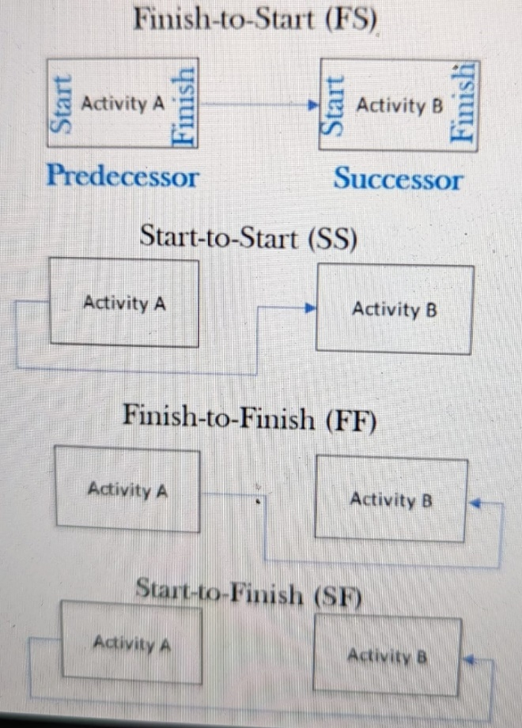
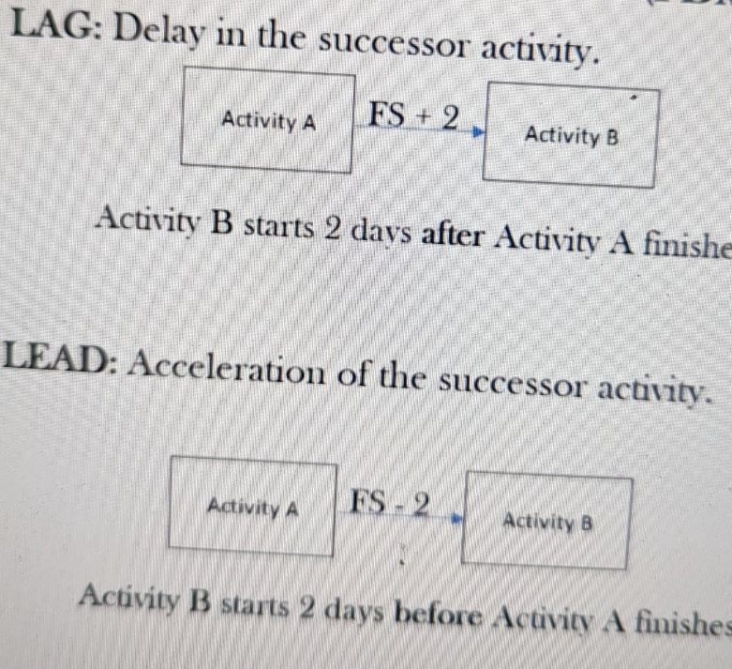

Dependency Type (How will you choose which PDM to use | Hard Logic (Mandatory Dependancy) | Can not build a second floor without completing the ground floor | PM team
 | Soft Logic (Discretionary/Preferred/Preferencial Dependancy) | Not a must case, you can build doors and windows together or one after another
 | Exterenal Dependency | Without DGDA permission you can not launvch product | PM/PM team can help
 | Internal Dependency | Vital team member is on leave

Drawing a network diagram from given activity list

Activity | Predecessor
A
B | A
C | B
D | B
E | A
F | D
G | D, E
H | C
I | H, F, G

start
A
B

C

Activity | Successor
A | B, D, E
B | C
C | H, I
D | F
E | G
F | I
G | I
H
I

Why Network diagram? | Provides better understanding about the activity and schedule

ITTOS of Sequencing the Activities

Outputs | Revisions/Updates in Activity List Activity attributes Milestone List Assumption Log | Project Documents
Inputs | Schedule Management Plan | Project Management plan
 | Scope Baseline
 | Activity lists and Activity attributes | Project documents
 | Milestone list and assumption log
 | Enterprose environment factors (Organization authorization system, industry standards)
 | Organizational process assets
Tools and Techniques | Precedence diagramming method
 | Dependency determination and integration
 | Leads and lags
 | PMIS (Scheduling softwares)

Schedule Management: Estimating resources and activity duration

Same techniques are used while estimating duration and cost of the activities

Estimating techniques | One point estimating | One estimate for each activity Estimation is based on historical data/expert judgement/guess | Example: It will take 10 days to build a software
 | Analogous/Top down estimating | Provides fast result but Less accourate than parametric,/three point estimation No calculation; Historical information is used by using similarity to estimate project/invidual tasks cost/duration | A previous project was completed in 5 months, this year in another place we
 | Bottom -Up Estimating
 | Parametric Estimating | Calculation is done on standarfd metric, industry movements, other sources and historical info. Results are more accurate Two methods are used to do the calculation - Regression analysis (scatter diagram): two variables from previous projects/other sources and find dependency of these variables with current data - Learning curve: By doing a task multiple times that tasks completion times reduces Heuristics are mental strategies to make estimation that are used here as well
 | Three point estimating | Provides most realistic duaration and cost estimation Three types Optimistic Estimation (O, tO or cO Most likely estimation (M, tM, cM) Pessimistic Estimation (P,tP, cP)
 |  | Triangular distribution/Simple/straight distribution Expected activity duration /cost = (P+M+O)/3
 |  | Beta Distribution/Weighted Average/PERT(Program evaluation and review technique)/Bell shape curve There are two formulas Expected activity duration/cost = (P+4M+O)/6 Standard Deviation = (P-O)/6

This is not a calculation only process there are other factors as well

Padding | When you talk with experts to find about about duartions of tasks the experts sometime add some extra dates to due to different risks involved. This is called padding Adding extra time/cost on the estimation Padding is not allowed PM is responsible to make a relistic schedule Three point estimating can help solve this problem. Take three dates or costs to negate padding (Optimistic, Pessimistic, Most-likely
Law of diminishing returns | After a certain point, no matter how much you increase input, productivity will not increase
Experience, capability and number of resources
Technology to be used
Team motivation

Role of PM in estimating duration

Ensures team has enough information for estimating work
Motivates team to provide realistic and refined estimates
Determines the necessary techniques to prevent padding
Checks if the estimations are reliable and logical
Determuines the contingency reserves
Ensures the assumptions are documented

ITTOS of Estimate resources and activity duration

Outputs | Duration Estimates
 | Basis of estimates -Constraints, Assumptions and risks -Trust level of the estimates - Range estimation for the estimates (+- 5%)
 | Revisions in Activity attributes Assumption log Lessions Learned refister | Project documents
Inputs | Schedule Management Plan | Project Management Plan
 | Scope Baseline
 | Activity lists and Activity attributes | Project documents
 | Milestone list and assumption log
 | Lessions learned register
 | Project team Assignments
 | Resource breakdown structures
 | Resource Calenders
 | Resource requirements
 | Risk registers
 | Enterprise environmental factors
 | Organizational process assets
Tools and Techniques | Expert judgement
 | Estimating techniques
 | Data analysis methods (Alternative analysis, reserve analysis etc) Two types of reserves - Predictable risks (Calculate individual schedule reserve to find out contingency reserve risks)if we add times over this it will be management reserve)
 | Decision making technique (Voting) Voting techniques Plan - driven projects : Majority, Plurality, Unanimity Change-driven projects: Fist to five/Fist of five
 | Meetings

Important Notes

WBS is required for more precise estimates
Management plans (Schedule and cost is required
Duration and cost estimates are related to each other
Padding is not allowed
Risks should be reflected
Persons related to the work should be involved in the estimation works
After PMP approval change request is created for changing an estimate
Estimation is easier and more precise dor smaller work components
PM is responsible for the correctness of the estimates

Schedule Management: Developing Schedule

Develop Schedule process | overview

Schedule management plan is created | Plan Schedule management
↓
Activities are defined | Define activities
↓
Activities are sequenced | Sequence Activities
↓
Activity durations are estimated | Estimate activity durations
↓
Scheduling calculations | Develop schedules

Schedule netwwork analysis
Critical path method (CPM) | Method of determining critical path/paths of a network diagram
Critical Path | Path in which any delay in activities of critical path will delay total project
Float/Slack | Delayed tolerance of any activity For critical path float = 0 Activities that are other than in the critical path has some delaying tolerance
Three types of float
Total float | Activities delay tolerance without affecting the toal project duration
Free Float | Activities delay tolerance without affecting the successor activities early start date
Project Float | Activities delay tolerance without affecting the target project duration given by sponsor/customer/PM

Critical Path method calculations
Forward pass

ES: For first activity 1 For others EF+1 | Will be determined beforehand/given | (ES+DURATION)-1
Early Start (ES) | Duration | Early Finish (EF)
Activity Name
Late Start (LS) | Float/Total Float | Late finish (LF)
LS = (LF-Duration) + 1 | Total float : LS - ES or LF - EF | For last activity LF = EF of previous task For others LF = LS -1
 |  | Backward pass

ES: Earliest time that an activity can start | EF: Earliest time that an activity can finish
LS: Latest time an activity can start | LF: Latest time an activity can finish

Note: For forward pass when two activity merges to a same activity (example: C - E/D-E) we should go with activity that has higher EF number For backward pass when two activity merges into a same activity (example: B-A/D-A) we should go with activity that has lower LS number

Two Calculation method:
Method 1: Start of day notation | PMBOK approves
Method 2: End of day notation

Example
3
3
5
Activity B
3
0
5
6
4
9
Activity C
6
0
9

1
2
2
Activity A
1
0
2
10
1
10
Activity E
10
0
10
11
3
13
Activity F
11
0
13

3
5
7
Activity D
5
2
9

Total float shows the risk tolerance of an activity/path

Number of critical path ↑ | Risk ↑
Number of near critical paths ↑ | Risk ↑
float ↑ | Risk ↓
Number of activities in network diagram ↑ | Risk ↑

Free Float =[ES(Successor) - EF(Current)] -1

Schedule compressiom | When sumone says after giving them project duration that you have to do that in shorter time

After developing schedule look for better options

Two techniques are used to reduce the project duration
Fast tracking

START
5
3
7
Activity B
5
0
7
1
4
4
Activity A
0
0
4
10
0
9
FINISH
10
0
9
8
2
9
Activity C
8
0
9

 | Project Duration 9 days

By fast tracking we can reduce the time into 7 days
START
5
3
7
Activity B
5
0
7
1
4
4
Activity A
0
0
4
10
0
9
FINISH
10
0
9

8
2
9
Activity C
8
0
9

Crashing

By increasing Manpower/resources we can reduce project duration

Disadvantages | Fast tracking | Crashing
 | Weak Communication | Increased Risk (Sometimes)
 | Re-work | Increased cost (always)
 | Increased Risk (Always)
 | Increased cost (sometimes)

Monte carlo analysis
Resource Optimization
Agile Release Planning

